DASHBOARD
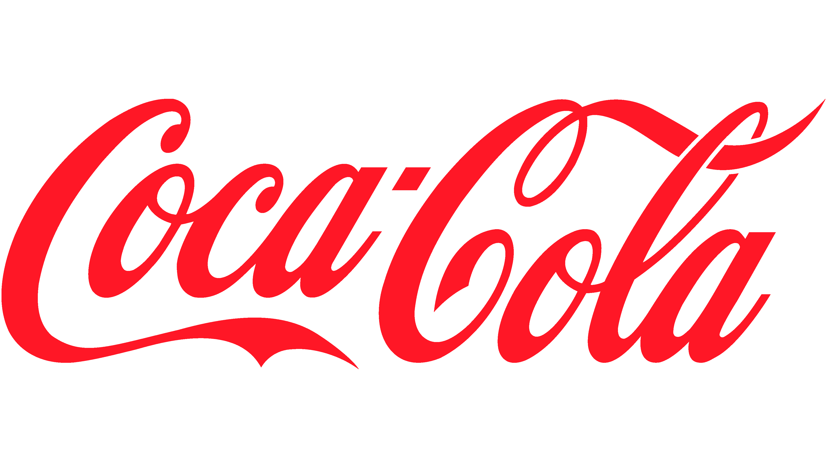
COCA COLA SALES ANALYSIS

NO. OF UNITS SOLD
OPERATING MARGIN
OPERATING PROFIT
TOTAL SALES
24788610 |  |  | 4081.02 | 4722496.77 |  |  | 12016665

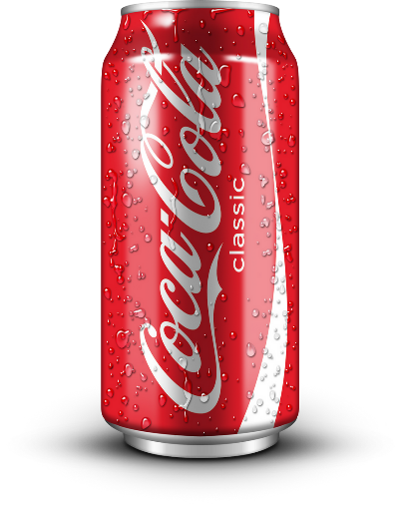
SALES BY BAVERAGES BRAND |  |  |  |  | SALES BY RETAILER
Brand | Sales 2022 | sales 2023 | variance |  | RETAILER | Sales 2022 | sales 2023 | variance
Coca-Cola | 499102 | 2268974.9 | 1769872.9 |  | Amazon | 276210 | 1009698.7 | 733488.7
Dasani Water | 469270.7 | 1917827.8 | 1448557.1 |  | BevCo | 466788 | 2327606.5 | 1860818.5
Diet Coke | 423758.7 | 1633959.3 | 1210200.6 |  | FizzyCo | 161210.1 | 2262827.1 | 2101617
Fanta | 315489.2 | 1116062.9 | 800573.7 |  | Target | 9250.3 | 1341995 | 1332744.7
Powerade | 349533.9 | 1302529.3 | 952995.4 |  | Walmart | 339912.5 | 580211 | 240298.5
Sprite | 366578 | 1353578.3 | 987000.3 |  | West Soda | 1170361.6 | 2070594.2 | 900232.6
Grand Total | 2423732.5 | 9592932.5 | 7169200 |  | Grand Total | 2423732.5 | 9592932.5 | 7169200

SALES BY OPERATING PROFIT MARGIN IN QUARTERS
 | Sum of Operating Profit | Sum of Total Sales
Q1 | 967570.046 | 2570360.4
Q2 | 1191366.856 | 3023628.7
Q3 | 1409527.187 | 3524922.9
Q4 | 1154032.681 | 2897753

